User Access Review
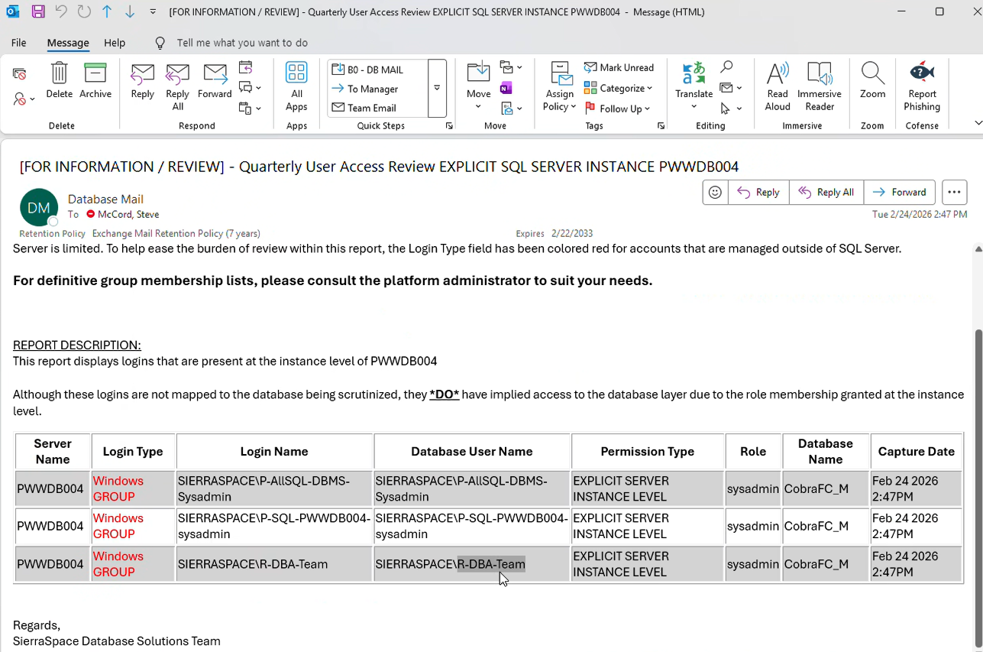
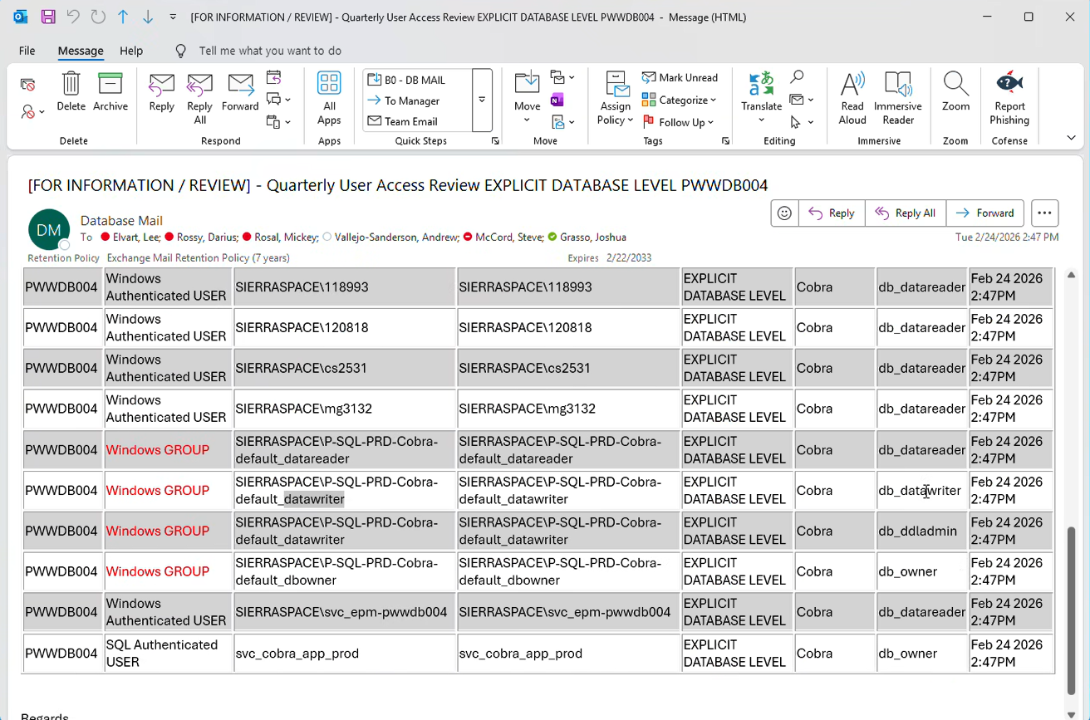
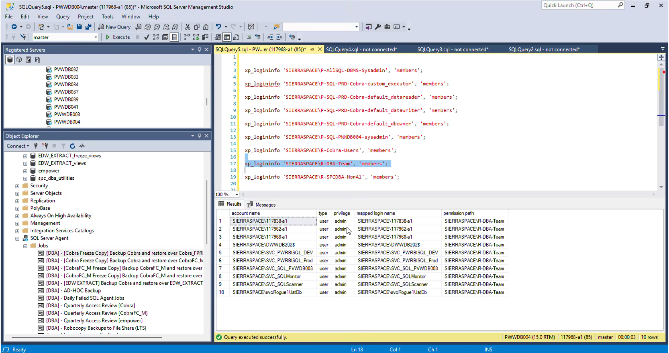
Reviewer Name
Review Date
Reviewer Certification Signature / Approval |  | This can be validated with Workiva for the final reviewed documents showing the date the review was finalized and by whom

Added to tie out records for C&A | Data Source: System The columns here should be the source data exported from the system under review |  |  |  |  |  | Data Source: Populated by reviewer - add these columns to the user export from the reviewed system |  |  |  | If the review result is “Remove" or "Modify” supporting comments shall be provided, including the date the access was no longer appropriate and the steps taken to perform an impact analysis (e.g., review of last login and activity logs, where applicable).
Record Count | User ID | User Name | Assigned Roles / Permissions | Last Login Date (relevant for impact analysis for termed people) | Account Status | Account Type | Password Management (Generic IDs Only) | Generic Account Purpose (Generic IDs Only) | Authorized Users (Generic IDs Only) | Role Owner/Approver Name | Access Appropriate? Approve/Modify/Remove | Reviewer Comments | Remediation Ticket Number | Impact Assessment Document steps taken and document references if an impact assessment is necessary.
 |  | Explicit SQL Server Instance PWWDB004: |  |  |  |  | N/A for named users, for any generics, please add information similar to SVC_cobra_app_prod | N/A for named users, for any generics, please add information similar to SVC_cobra_app_prod | N/A for named users, for any generics, please add information similar to SVC_cobra_app_prod
 | N/A | SIERRASPACE\p-ALLSQL-DBMS-Sysadmin | sysadmin | N/A | N/A | Windows Group
 | 117968-a1 | Steve McCord - A1 | sysadmin | XX | Active | Windows Authenticated User
 | 117962-a1 | Josh Grasso - A1 | sysadmin | XX | Active | Windows Authenticated User

 | N/A | SIERRASPACE\p-SQL-PWWDB004-Sysadmin | sysadmin | N/A | N/A | Windows Group
 | XXXX1 | p-SQL-PWWDB004-Sysadmin Group Member #1 | sysadmin | XX | Active | Windows Authenticated User
 | XXXX2 | p-SQL-PWWDB004-Sysadmin Group Member #2 | sysadmin | XX | Active | Windows Authenticated User
 | … other members | …other members | other members | XX | Active | Windows Authenticated User
 | N/A | SIERRASPACE\R-DBA-Team | sysadmin | N/A | N/A | Windows Group
 | SIERRASPACE\117838-a1 | List Team Member Name | admin | XX | Active | Windows Authenticated User
 | SIERRASPACE\117838-a1 | List Team Member Name | admin | XX | Active | Windows Authenticated User
 | … other members | …other members | other members | XX | Active | Windows Authenticated User

 |  | Explicit Database Level PWWDB004:
 | N/A | SIERRASPACE\P-SQL-PRD-Cobra-default_datawriter | db_datawriter | N/A | N/A | Windows Group
 | XXXX1 | P-SQL-PRD-Cobra-default_datawriter Group Member #1 | db_datawriter | XX | Active | Windows Authenticated User
 | XXXX2 | P-SQL-PRD-Cobra-default_datawriter Group Member #2 | db_datawriter | XX | Active | Windows Authenticated User
 | N/A | SIERRASPACE\P-SQL-PRD-Cobra-default_datawriter | db_ddladmin | N/A | N/A | Windows Group
 | XXXX1 | P-SQL-PRD-Cobra-default_datawriter Group Member #1 | db_ddladmin | XX | Active | Windows Authenticated User
 | XXXX2 | P-SQL-PRD-Cobra-default_datawriter Group Member #2 | db_ddladmin | XX | Active | Windows Authenticated User
 | N/A | SIERRASPACE\P-SQL-PRD-Cobra-default_dbowner | db_dbowner | N/A | N/A | Windows Group
 | XXXX1 | P-SQL-PRD-Cobra-default_datawriter Group Member #1 | db_dbowner | XX | Active | Windows Authenticated User
 | XXXX2 | P-SQL-PRD-Cobra-default_datawriter Group Member #2 | db_dbowner | XX | Active | Windows Authenticated User
 | SVC_cobra_app_prod | SVC_cobra_app_prod | db_dbowner | XX | Active | SQL Authenticated User | BeyondTrust | Service Account…explanation | DBA Team: (Steve McCord, Josh Grasso) BeyondTrust administrators | Approver, similar to other accounts
 | cms_admin
 | cobra_lso_ro
 | cobra_ro

 | Explicit SQL Server Instancew PWWDB004 screenshots (would need C&A documentation as discussed, similar to screenshot of members below) |  |  |  |  |  | Explicit Database Level PWWDB004 screenshots (would need C&A documentation as discussed, show query, output and date/time on screenshot)

